amlogic cobshell
amlogic cobshell
engineer mode including
SSV 定頻指令
192.168.1.12
10041

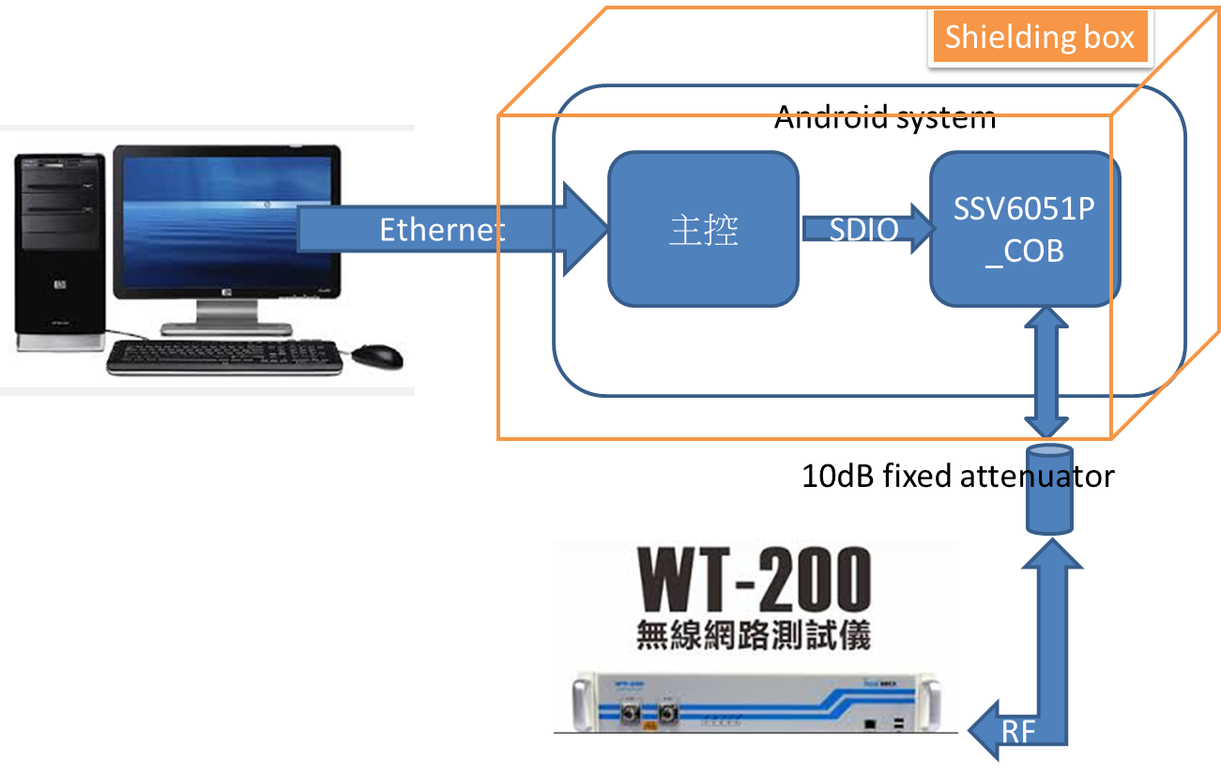

b

SAR code
